Test Cases
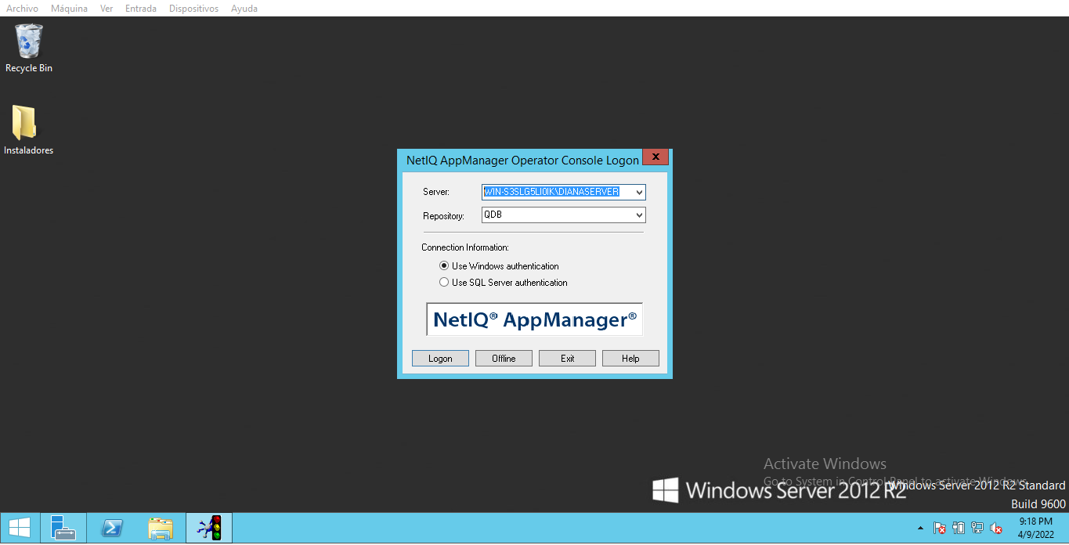
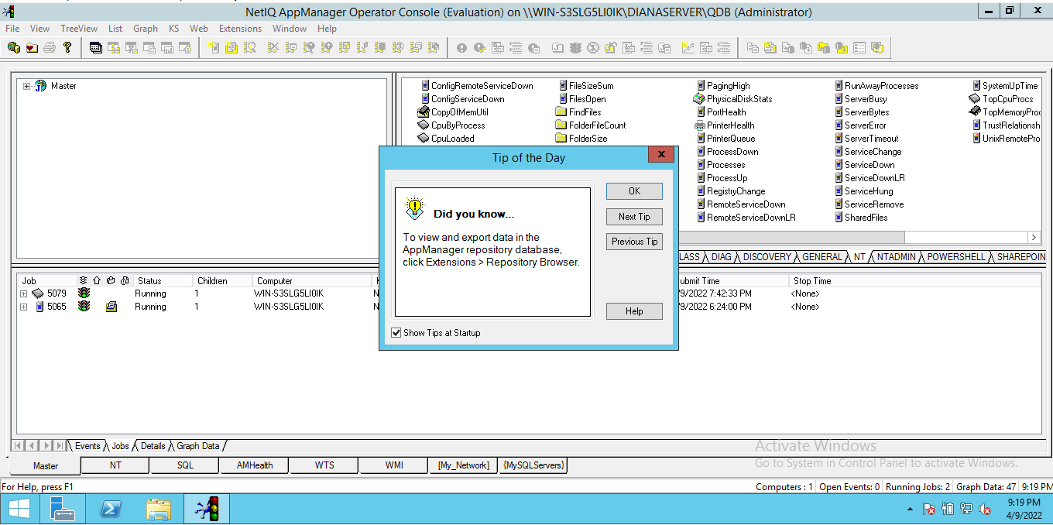
 | Test Case
TITLE: | AppManager: Application Access |  |  | PRIORITY: | High
 |  |  |  | TC ID: | AppManager-1
SUMMARY: | This test case is goint to verify if the AppManager application can be accessed.
PRECONDITIONS: | Computer with operating system: -Windows Server 2012 R2 Install: - SQL Server 2012 - Application manager version 8.0
STEPS: | STEPS ACTIONS | EXPECTED RESULTS | ACTUAL RESULTS | EXECUTION
 | 1. On windows menu, search: Operator Console | NetIQ AppManager Operator Console Logon Displayed to be filled | NetIQ AppManager Operator Console Logon Displayed | Manual
 | 2. Insert: Server name Repository: QDB Connection Information: Use Windows authentication 3. Press Logon button | The Operator Console Aplication opens. | The Operator Console Aplication opens. | Manual
ESTIMATED EXE. (MIN): | 3 |  | EXECUTION TIME (MIN): | 3
NOTES/DESCRIPTION: | NetIQ AppManager Operator Console application can be accessed.
STATUS: | Passed
ATTACHMENT: | →→→→→→→→→→→→→→→→→→→→→→→→→→→→→→→→→→→→→→→→→→→→→→→→→→→→→→→→→→→→→→→→→→
QA NAME: | Andres Vargas

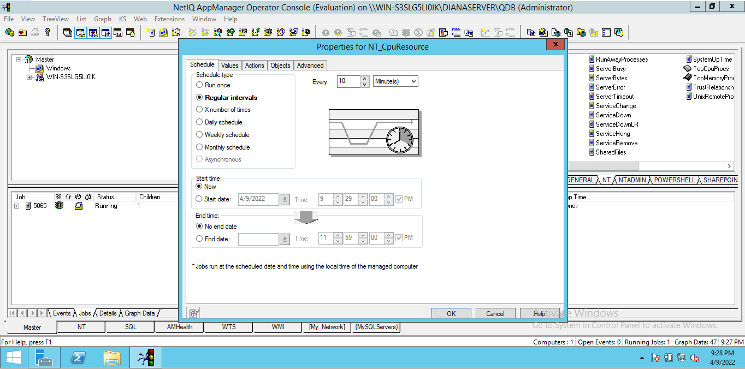
 | Test Case
TITLE: | NT_CpuResource: Add the NT_CpuResource event to a server |  |  | PRIORITY: | High
 |  |  |  | TC ID: | AppManager-2
SUMMARY: | This test case is going to verify if the NT_CpuResource KS can be added to a server and if it opens the event configuration window
PRECONDITIONS: | Computer with operating system: -Windows Server 2012 R2 Install: - SQL Server 2012 - Application manager version 8.0
STEPS: | STEPS ACTIONS | EXPECTED RESULTS | ACTUAL RESULTS | EXECUTION
 | 1. Open NetIQ AppManager Operator Console. 2. On KS menu select NT tab. 3. Drag and drop the NT_CpuResource to the Server. | The properties configuration window opens | The Properties for NT_CpuResource window opens. | Manual
ESTIMATED EXE. (MIN): | 3 |  | EXECUTION TIME (MIN): | 3
NOTES/DESCRIPTION: | The Properties for NT_CpuResource window opens.
STATUS: | Passed
ATTACHMENT: | →→→→→→→→→→→→→→→→→→→→→→→→→→→→→→→→→→→→→→→→→→→→→→→→→→→→→→→→→→→
QA NAME: | Andres Vargas

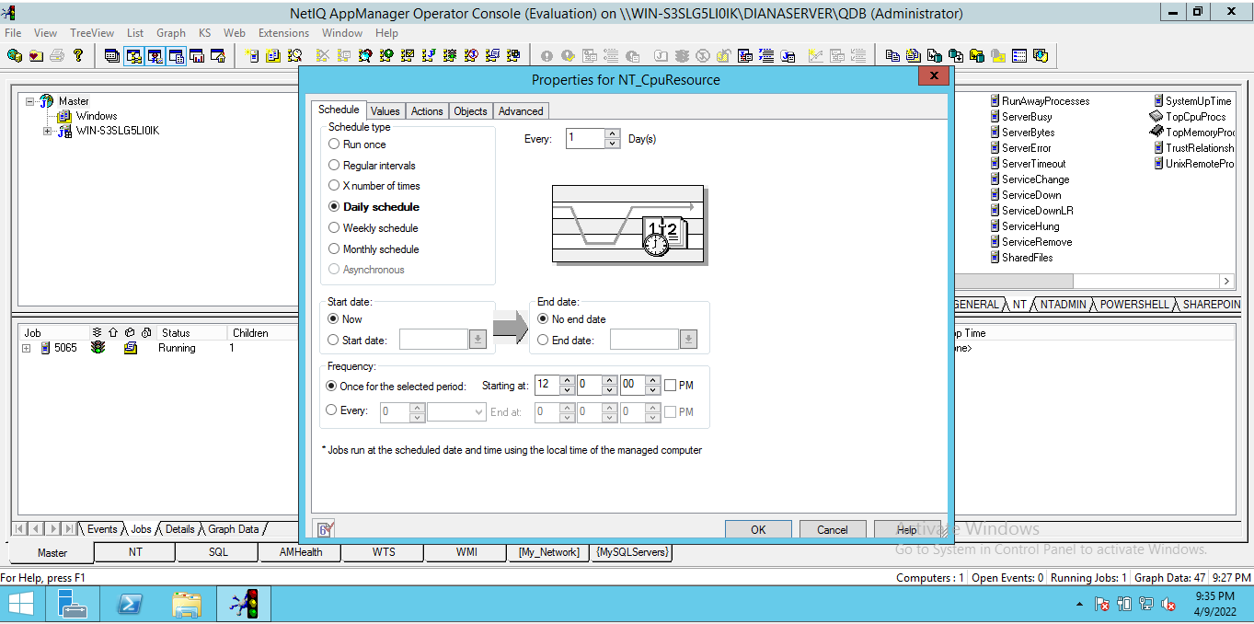
 | Test Case
TITLE: | NT_CpuResource: Change the schedule type of the event (daily) |  |  | PRIORITY: | High
 |  |  |  | TC ID: | AppManager-3
SUMMARY: | This test case is going to verify if it can be changed the schedule type of the event according to the displayed options that can be selected through radio buttons.
PRECONDITIONS: | Computer with operating system: -Windows Server 2012 R2 Install: - SQL Server 2012 - Application manager version 8.0
STEPS: | STEPS ACTIONS | EXPECTED RESULTS | ACTUAL RESULTS | EXECUTION
 | 1. Open NetIQ AppManager Operator Console. 2. On KS menu select NT tab. 3. Drag and drop the NT_CpuResource to the Server. 4. On schedule tab, select daily schedule and configure every 1 day. | The event is generated once every day | The event is generated once every day | Manual
ESTIMATED EXE. (Day): | 1 |  | EXECUTION TIME (Day): | 1
NOTES/DESCRIPTION: | The event is generated once every day.
PRECONDITIONS: | Passed
ATTACHMENT: | →→→→→→→→→→→→→→→→→→→→→→→→→→→→→→→→→→→→→→→→→→→→→→→→→→→→→→→→→→→
QA NAME: | Andres Vargas

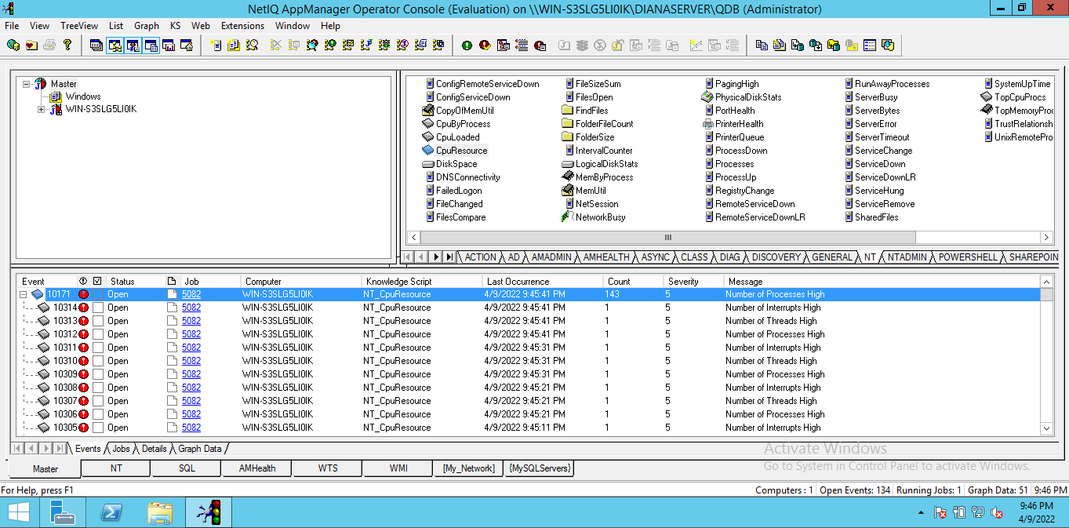
 | Test Case
TITLE: | NT_CpuResource: Configuring regular intervals of the schedule type |  |  | PRIORITY: | High
 |  |  |  | TC ID: | AppManager-4
SUMMARY: | This test case is going to verify if the regular interval setting of the schedule type is effective according to the user's selection. Test will be carried out for Seconds and Minutes.
PRECONDITIONS: | Computer with operating system: -Windows Server 2012 R2 Install: - SQL Server 2012 - Application manager version 8.0
STEPS: | STEPS ACTIONS | EXPECTED RESULTS | ACTUAL RESULTS | EXECUTION
 | 1. Open NetIQ AppManager Operator Console. 2. On KS menu select NT tab. 3. Drag and drop the NT_CpuResource to the Server. | The properties configuration window opens | The Properties for NT_CpuResource window opens. | Manual
 | 4. On schedule tab, select Regular intervals and configure every 10 seconds. | The event is generated every 10 seconds | The event is generated every 10 seconds | Manual
 | 5. On schedule tab, select Regular intervals and configure every 5 minutes. | The event is generated every 5 minutes | The event is generated every 5 minutes | Manual
ESTIMATED EXE. (MIN): | 15 |  | EXECUTION TIME (MIN): | 15
NOTES/DESCRIPTION: | The event is generated according the configuration on the schedule tab
STATUS: | Passed
ATTACHMENT: | →→→→→→→→→→→→→→→→→→→→→→→→→→→→→→→→→→→→→→→→→→→→→→→→→→→→→→→→→→→
QA NAME: | Andres Vargas

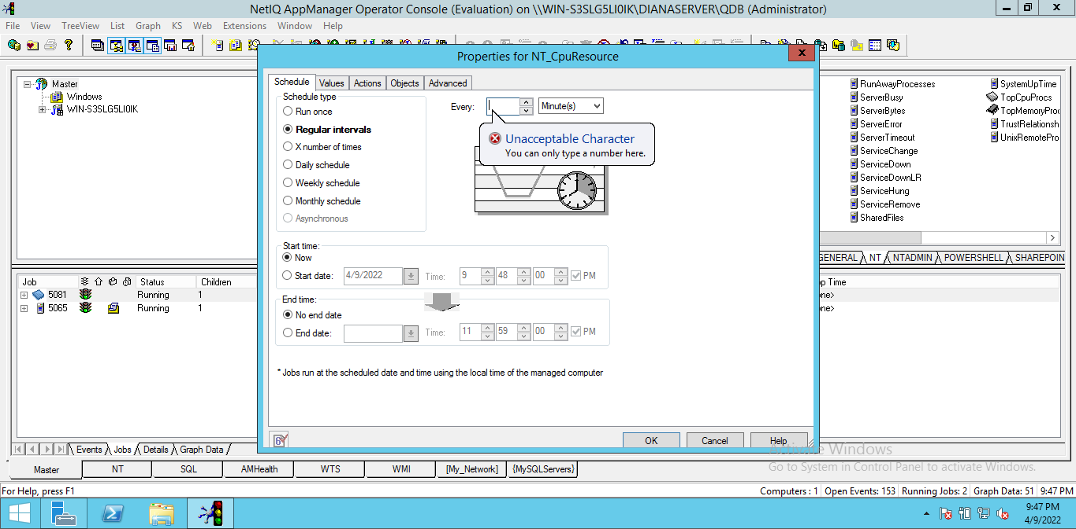
 | Test Case
TITLE: | NT_CpuResource: Type of data allowed in the configuration of regular intervals of the schedule type |  |  | PRIORITY: | Medium
 |  |  |  | TC ID: | AppManager-5
SUMMARY: | This test case is going to verify if the configuration of regular intervals of the schedule type only allows to enter data of type integer and if it generates a warning in case you try to enter data of type String.
PRECONDITIONS: | Computer with operating system: -Windows Server 2012 R2 Install: - SQL Server 2012 - Application manager version 8.0
STEPS: | STEPS ACTIONS | EXPECTED RESULTS | ACTUAL RESULTS | EXECUTION
 | 1. Open NetIQ AppManager Operator Console. 2. On KS menu select NT tab. 3. Drag and drop the NT_CpuResource to the Server. 4. On schedule tab, insert String data on Every: field. | A warning message appears. | Appears a warning message informing: Unacceptable Character, you can only type number here. | Manual
ESTIMATED EXE. (MIN): | 5 |  | EXECUTION TIME (MIN): | 5
NOTES/DESCRIPTION: | Appears a warning message informing: Unacceptable Character, you can only type number here.
STATUS: | Passed
ATTACHMENT: | →→→→→→→→→→→→→→→→→→→→→→→→→→→→→→→→→→→→→→→→→→→→→→→→→→→→→→→→→→→
QA NAME: | Andres Vargas

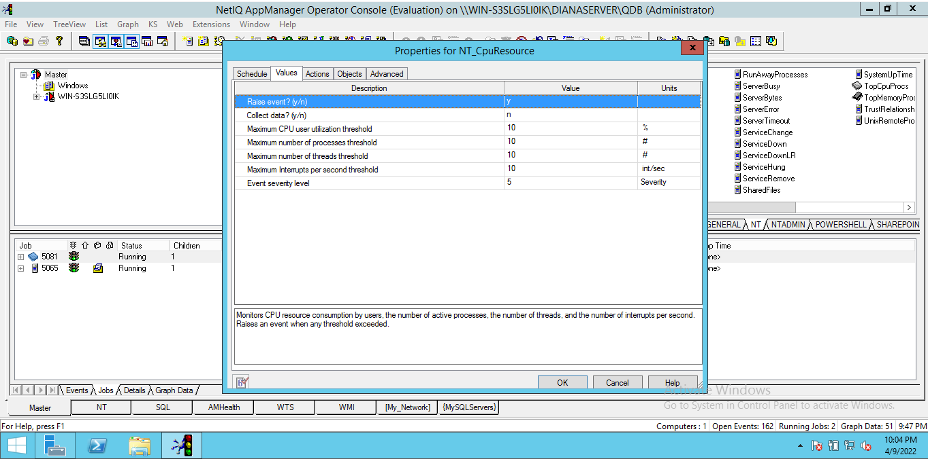
 | Test Case
TITLE: | NT_CpuResource: Raise event configuration. |  |  | PRIORITY: | High
 |  |  |  | TC ID: | AppManager-6
SUMMARY: | This test case is going to verify if changing to Y (yes), the configuration of raising the event from the configuration within the values tab generates an event.
PRECONDITIONS: | Computer with operating system: -Windows Server 2012 R2 Install: - SQL Server 2012 - Application manager version 8.0
STEPS: | STEPS ACTIONS | EXPECTED RESULTS | ACTUAL RESULTS | EXECUTION
 | 1. Open NetIQ AppManager Operator Console. 2. On KS menu select NT tab. 3. Drag and drop the NT_CpuResource to the Server. 4. On values tab, insert y (yes) on raise event? Field. | The events are raised | The events are raised | Manual
ESTIMATED EXE. (MIN): | 5 |  | EXECUTION TIME (MIN): | 5
NOTES/DESCRIPTION: | The events are raised
STATUS: | Passed
ATTACHMENT: | →→→→→→→→→→→→→→→→→→→→→→→→→→→→→→→→→→→→→→→→→→→→→→→→→→→→→→→→→→→
QA NAME: | Andres Vargas

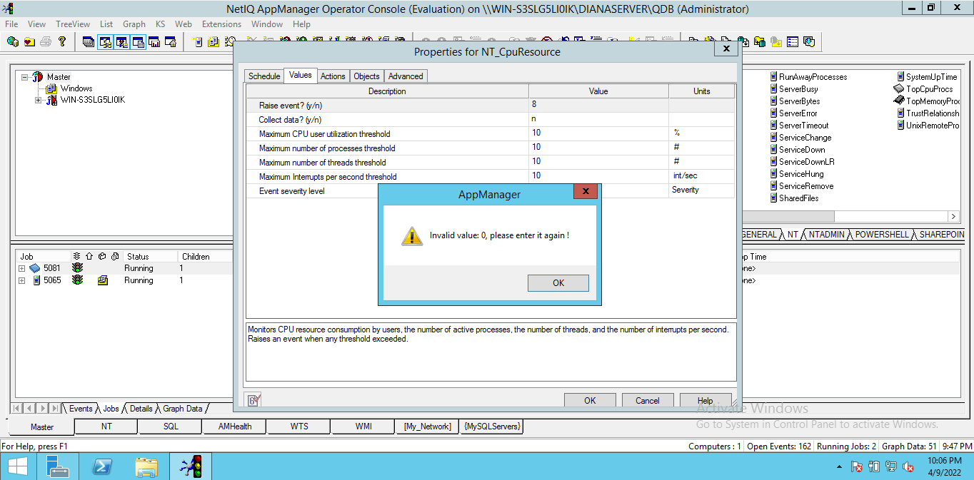
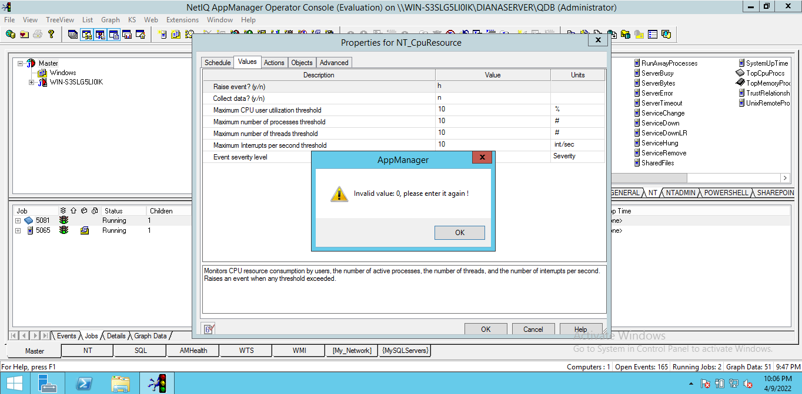
 | Test Case
TITLE: | NT_CpuResource: Type of data allowed in Raise event configuration field. |  |  | PRIORITY: | Medium
 |  |  |  | TC ID: | AppManager-7
SUMMARY: | This test case will verify if the configuration field to raise the event allows only data of type string and not of another type.
PRECONDITIONS: | Computer with operating system: -Windows Server 2012 R2 Install: - SQL Server 2012 - Application manager version 8.0
STEPS: | STEPS ACTIONS | EXPECTED RESULTS | ACTUAL RESULTS | EXECUTION
 | 1. Open NetIQ AppManager Operator Console. 2. On KS menu select NT tab. 3. Drag and drop the NT_CpuResource to the Server. 4. On values tab, insert 8 on raise event? Field. 5. On values tab, insert h on raise event? Field. | A warning message appears | A warning message appears | Manual
ESTIMATED EXE. (MIN): | 5 |  | EXECUTION TIME (MIN): | 5
NOTES/DESCRIPTION: | A warning message appears
STATUS: | Passed
ATTACHMENT: | →→→→→→→→→→→→→→→→→→→→→→→→→→→→→→→→→→→→→→→→→→→→→→→→→→→→→→→→→→→
QA NAME: | Andres Vargas

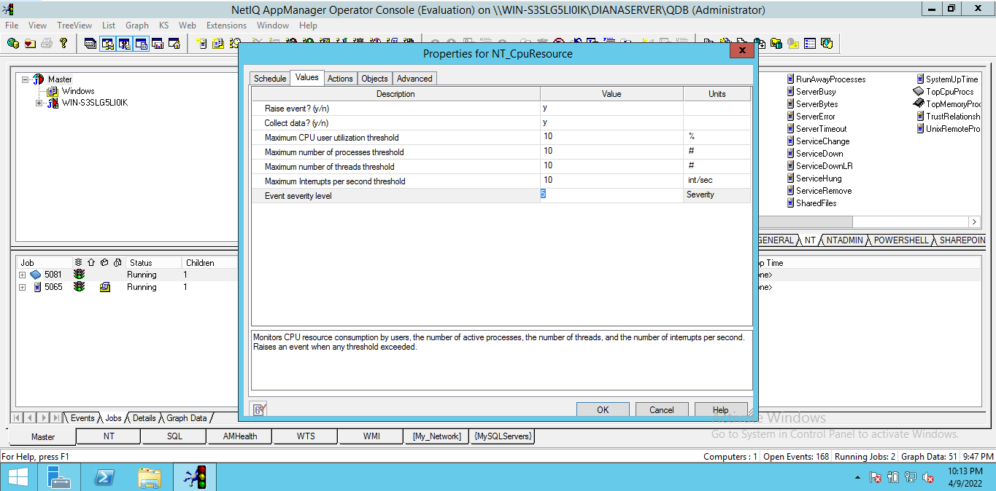
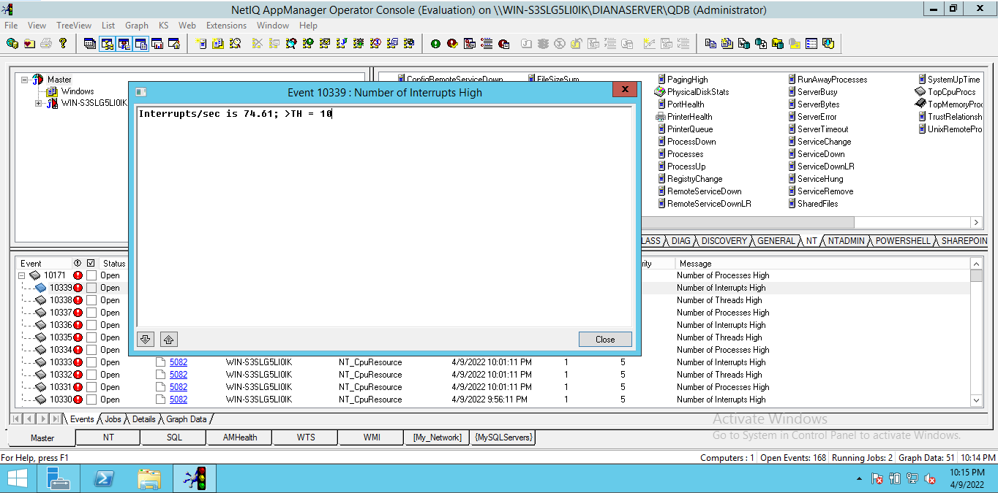
 | Test Case
TITLE: | NT_CpuResource: Collect data configuration. |  |  | PRIORITY: | High
 |  |  |  | TC ID: | AppManager-8
SUMMARY: | This test case is going to verify if changing to Y (yes), the configuration of collect data from the configuration within the values tab generates an event.
PRECONDITIONS: | Computer with operating system: -Windows Server 2012 R2 Install: - SQL Server 2012 - Application manager version 8.0
STEPS: | STEPS ACTIONS | EXPECTED RESULTS | ACTUAL RESULTS | EXECUTION
 | 1. Open NetIQ AppManager Operator Console. 2. On KS menu select NT tab. 3. Drag and drop the NT_CpuResource to the Server. 4. On values tab, insert y (yes) on Collect data? Field. | The data is collected | The data is collected | Manual
ESTIMATED EXE. (MIN): | 5 |  | EXECUTION TIME (MIN): | 5
NOTES/DESCRIPTION: | The data is collected
STATUS: | Passed
ATTACHMENT: | →→→→→→→→→→→→→→→→→→→→→→→→→→→→→→→→→→→→→→→→→→→→→→→→→→→→→→→→→→→
QA NAME: | Andres Vargas

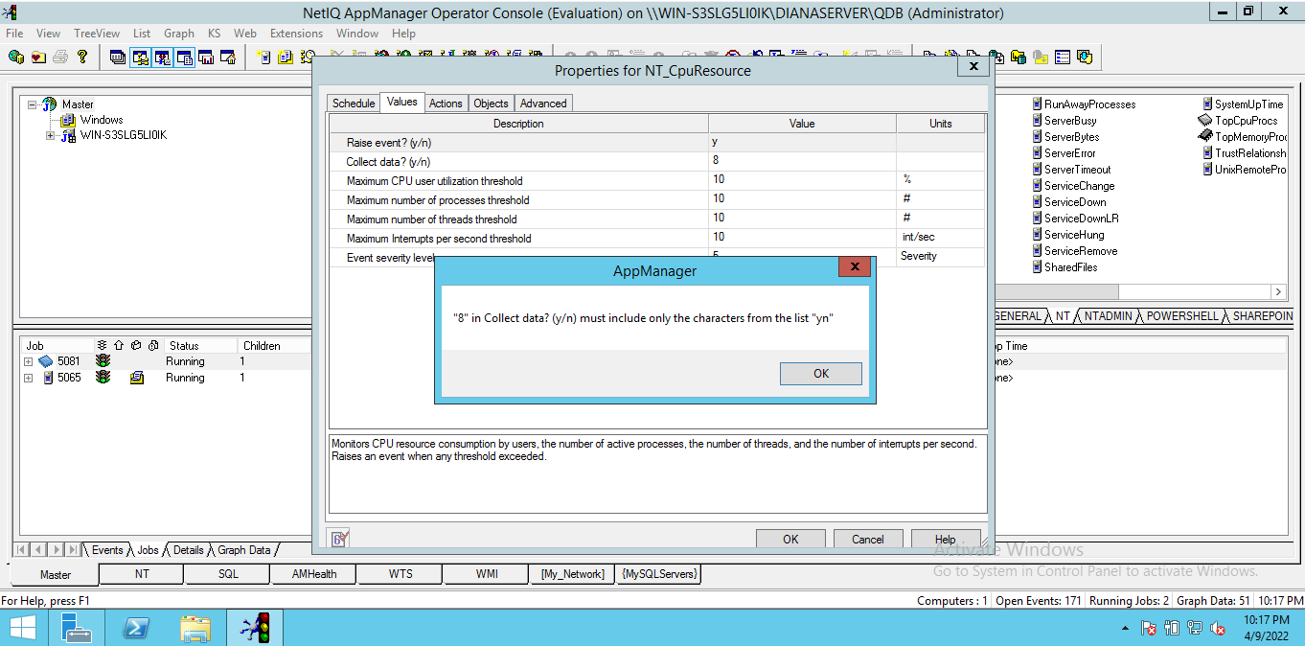
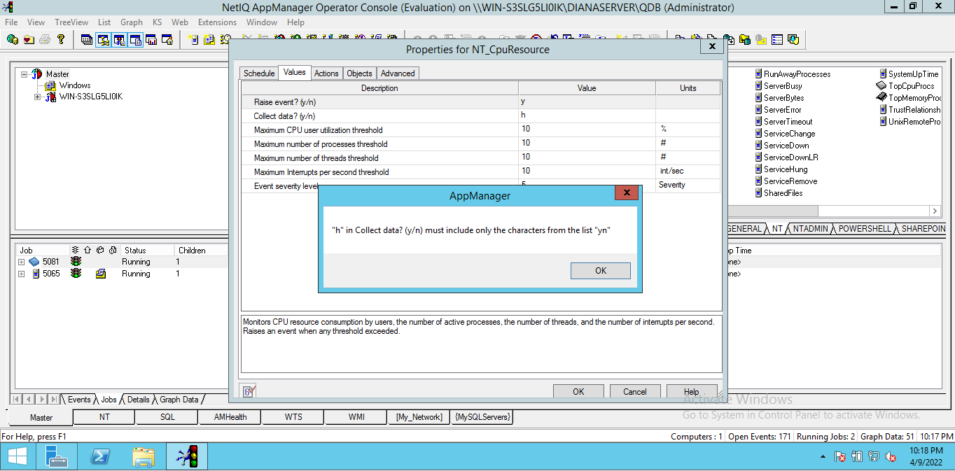
 | Test Case
TITLE: | NT_CpuResource: Type of data allowed in Collect data configuration field. |  |  | PRIORITY: | Medium
 |  |  |  | TC ID: | AppManager-9
SUMMARY: | This test case will verify if the configuration field to collect data allows only data of type string and not of another type.
PRECONDITIONS: | Computer with operating system: -Windows Server 2012 R2 Install: - SQL Server 2012 - Application manager version 8.0
STEPS: | STEPS ACTIONS | EXPECTED RESULTS | ACTUAL RESULTS | EXECUTION
 | 1. Open NetIQ AppManager Operator Console. 2. On KS menu select NT tab. 3. Drag and drop the NT_CpuResource to the Server. 4. On values tab, insert 8 on collect datat? Field. 5. On values tab, insert h on raise event? Field. | A warning message appears | A warning message appears | Manual
ESTIMATED EXE. (MIN): | 5 |  | EXECUTION TIME (MIN): | 5
NOTES/DESCRIPTION: | A warning message appears
STATUS: | Passed
ATTACHMENT: | →→→→→→→→→→→→→→→→→→→→→→→→→→→→→→→→→→→→→→→→→→→→→→→→→→→→→→→→→→→
QA NAME: | Andres Vargas

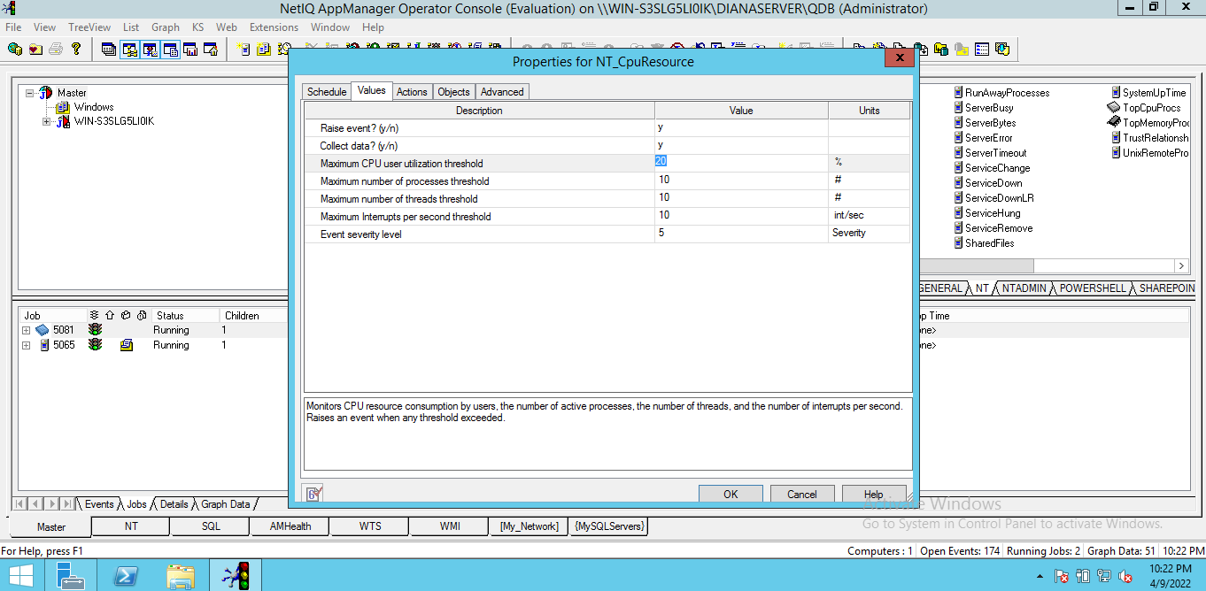
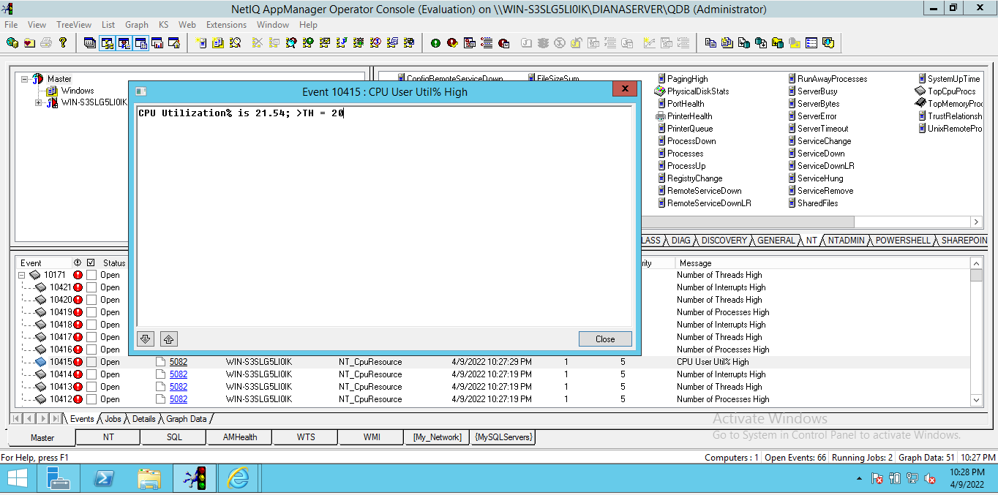
 | Test Case
TITLE: | NT_CpuResource: Maximum CPU user utilization threshold configuration. |  |  | PRIORITY: | High
 |  |  |  | TC ID: | AppManager-10
SUMMARY: | This test case is going to verify if it can be changed the configuration of Maximum CPU user utilization threshold from the configuration within the values tab.
PRECONDITIONS: | Computer with operating system: -Windows Server 2012 R2 Install: - SQL Server 2012 - Application manager version 8.0
STEPS: | STEPS ACTIONS | EXPECTED RESULTS | ACTUAL RESULTS | EXECUTION
 | 1. Open NetIQ AppManager Operator Console. 2. On KS menu select NT tab. 3. Drag and drop the NT_CpuResource to the Server. 4. On values tab, change the value of Maximum CPU user utilization threshold Field to 20. 5. Press OK button. | Changes saved, the new limit is 20% | Changes saved, the new limit is 20% | Manual
ESTIMATED EXE. (MIN): | 5 |  | EXECUTION TIME (MIN): | 5
NOTES/DESCRIPTION: | Changes saved, the new limit is 20%
STATUS: | Passed
ATTACHMENT: | →→→→→→→→→→→→→→→→→→→→→→→→→→→→→→→→→→→→→→→→→→→→→→→→→→→→→→→→→→→
QA NAME: | Andres Vargas

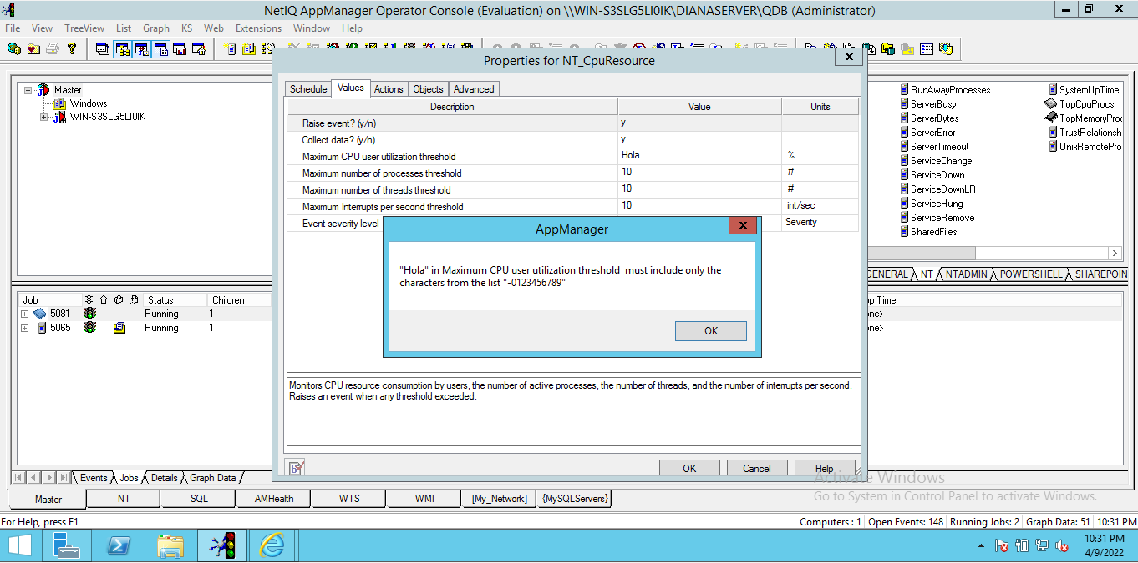
 | Test Case
TITLE: | NT_CpuResource: Type of data allowed in Maximum CPU user utilization threshold configuration field. |  |  | PRIORITY: | Medium
 |  |  |  | TC ID: | AppManager-11
SUMMARY: | This test case will verify if the configuration field to Maximum CPU user utilization threshold allows only data of type integer and not of another type.
PRECONDITIONS: | Computer with operating system: -Windows Server 2012 R2 Install: - SQL Server 2012 - Application manager version 8.0
STEPS: | STEPS ACTIONS | EXPECTED RESULTS | ACTUAL RESULTS | EXECUTION
 | 1. Open NetIQ AppManager Operator Console. 2. On KS menu select NT tab. 3. Drag and drop the NT_CpuResource to the Server. 4. On values tab, insert "hola" on Maximum CPU user utilization threshold Field. 5. Press OK button. | A warning message appears | A warning message appears | Manual
ESTIMATED EXE. (MIN): | 5 |  | EXECUTION TIME (MIN): | 5
NOTES/DESCRIPTION: | A warning message appears
STATUS: | Passed
ATTACHMENT: | →→→→→→→→→→→→→→→→→→→→→→→→→→→→→→→→→→→→→→→→→→→→→→→→→→→→→→→→→→→
QA NAME: | Andres Vargas


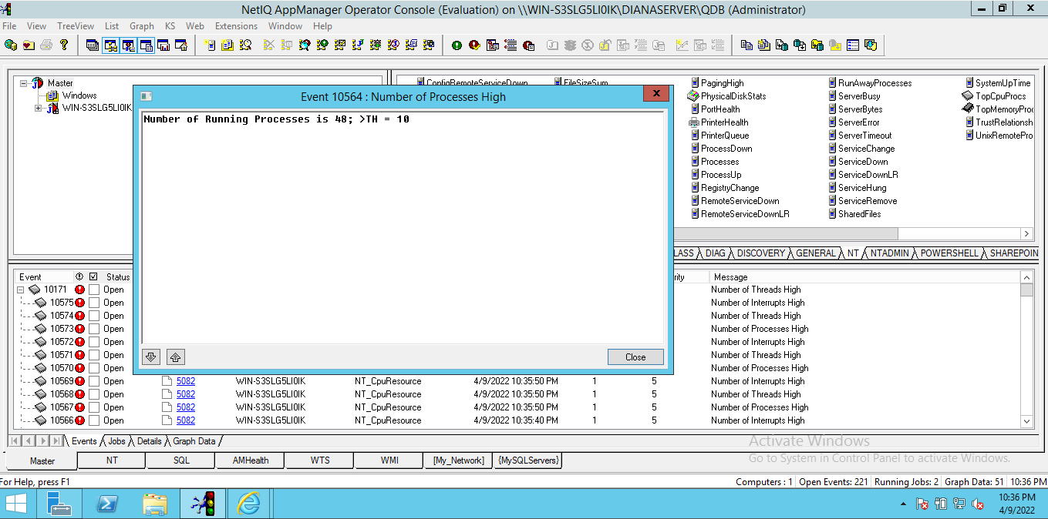
 | Test Case
TITLE: | NT_CpuResource: Maximum number of processes threshold configuration. |  |  | PRIORITY: | High
 |  |  |  | TC ID: | AppManager-12
SUMMARY: | This test case is going to verify if it can be changed the configuration of Maximum number of processes threshold from the configuration within the values tab.
PRECONDITIONS: | Computer with operating system: -Windows Server 2012 R2 Install: - SQL Server 2012 - Application manager version 8.0
STEPS: | STEPS ACTIONS | EXPECTED RESULTS | ACTUAL RESULTS | EXECUTION
 | 1. Open NetIQ AppManager Operator Console. 2. On KS menu select NT tab. 3. Drag and drop the NT_CpuResource to the Server. 4. On values tab, change the value of Maximum number of processes threshold Field to 10. 5. Press OK button. | Changes saved, the new limit is 10 | Changes saved, the new limit is 10 | Manual
ESTIMATED EXE. (MIN): | 5 |  | EXECUTION TIME (MIN): | 5
NOTES/DESCRIPTION: | Changes saved, the new limit is 10
STATUS: | Passed
ATTACHMENT: | →→→→→→→→→→→→→→→→→→→→→→→→→→→→→→→→→→→→→→→→→→→→→→→→→→→→→→→→→→→
QA NAME: | Diana Rojas


 | Test Case
TITLE: | NT_CpuResource: Type of data allowed in Maximum number of processes threshold configuration field. |  |  | PRIORITY: | Medium
 |  |  |  | TC ID: | AppManager-13
SUMMARY: | This test case will verify if the configuration field to Maximum number of processes threshold allows only data of type integer and not of another type.
PRECONDITIONS: | Computer with operating system: -Windows Server 2012 R2 Install: - SQL Server 2012 - Application manager version 8.0
STEPS: | STEPS ACTIONS | EXPECTED RESULTS | ACTUAL RESULTS | EXECUTION
 | 1. Open NetIQ AppManager Operator Console. 2. On KS menu select NT tab. 3. Drag and drop the NT_CpuResource to the Server. 4. On values tab, insert "hola" on Maximum number of processes threshold Field. 5. Press OK button. | A warning message appears | A warning message appears | Manual
ESTIMATED EXE. (MIN): | 5 |  | EXECUTION TIME (MIN): | 5
NOTES/DESCRIPTION: | A warning message appears
STATUS: | Passed
ATTACHMENT: | →→→→→→→→→→→→→→→→→→→→→→→→→→→→→→→→→→→→→→→→→→→→→→→→→→→→→→→→→→→
QA NAME: | Andres Vargas

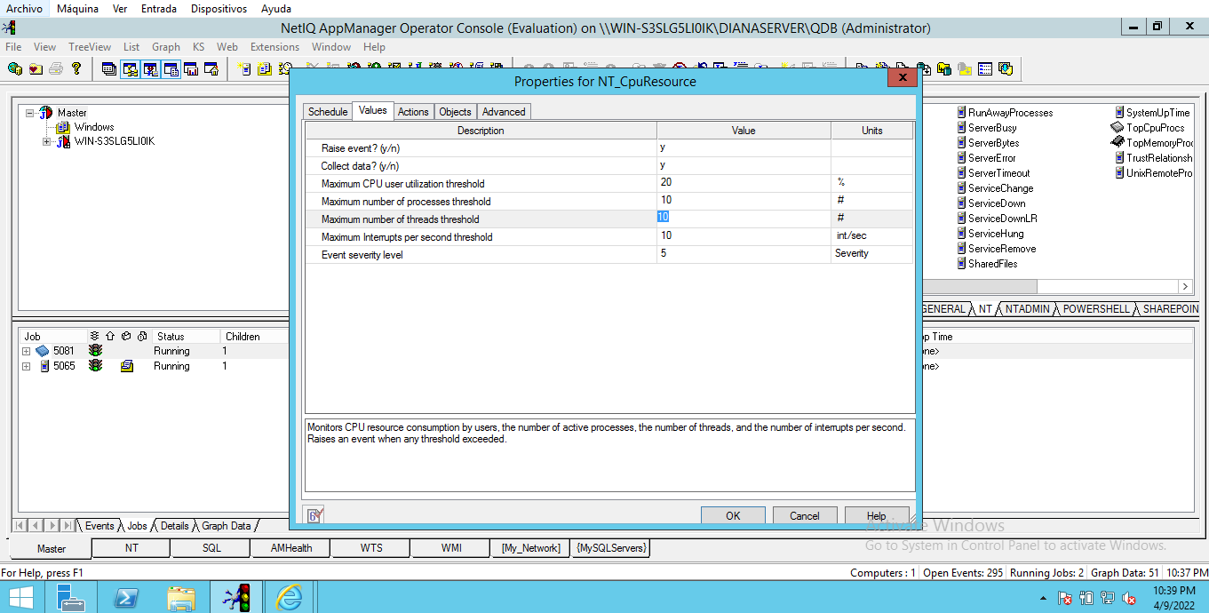

 | Test Case
TITLE: | NT_CpuResource: Maximum number of threads threshold configuration. |  |  | PRIORITY: | High
 |  |  |  | TC ID: | AppManager-14
SUMMARY: | This test case is going to verify if it can be changed the configuration of Maximum number of threads threshold from the configuration within the values tab.
PRECONDITIONS: | Computer with operating system: -Windows Server 2012 R2 Install: - SQL Server 2012 - Application manager version 8.0
STEPS: | STEPS ACTIONS | EXPECTED RESULTS | ACTUAL RESULTS | EXECUTION
 | 1. Open NetIQ AppManager Operator Console. 2. On KS menu select NT tab. 3. Drag and drop the NT_CpuResource to the Server. 4. On values tab, change the value of Maximum number of threads threshold Field to 10. 5. Press OK button. | Changes saved, the new limit is 10 | Changes saved, the new limit is 10 | Manual
ESTIMATED EXE. (MIN): | 5 |  | EXECUTION TIME (MIN): | 5
NOTES/DESCRIPTION: | Changes saved, the new limit is 10
STATUS: | Passed
ATTACHMENT: | →→→→→→→→→→→→→→→→→→→→→→→→→→→→→→→→→→→→→→→→→→→→→→→→→→→→→→→→→→→
QA NAME: | Andres Vargas


 | Test Case
TITLE: | NT_CpuResource: Type of data allowed in Maximum number of threads threshold configuration field. |  |  | PRIORITY: | Medium
 |  |  |  | TC ID: | AppManager-15
SUMMARY: | This test case will verify if the configuration field to Maximum number of threads threshold allows only data of type integer and not of another type.
PRECONDITIONS: | Computer with operating system: -Windows Server 2012 R2 Install: - SQL Server 2012 - Application manager version 8.0
STEPS: | STEPS ACTIONS | EXPECTED RESULTS | ACTUAL RESULTS | EXECUTION
 | 1. Open NetIQ AppManager Operator Console. 2. On KS menu select NT tab. 3. Drag and drop the NT_CpuResource to the Server. 4. On values tab, insert "hola" on Maximum number of threads threshold Field. 5. Press OK button. | A warning message appears | A warning message appears | Manual
ESTIMATED EXE. (MIN): | 5 |  | EXECUTION TIME (MIN): | 5
NOTES/DESCRIPTION: | A warning message appears
STATUS: | Passed
ATTACHMENT: | →→→→→→→→→→→→→→→→→→→→→→→→→→→→→→→→→→→→→→→→→→→→→→→→→→→→→→→→→→→
QA NAME: | Andres Vargas

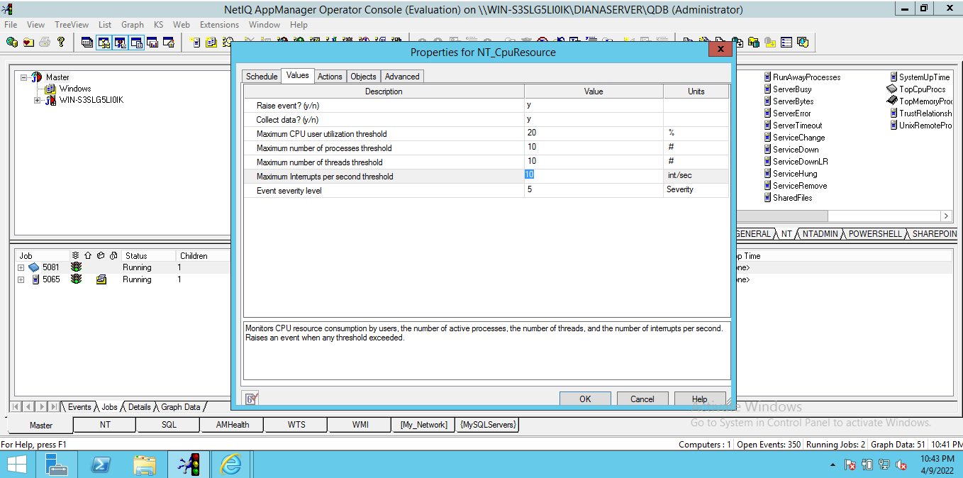
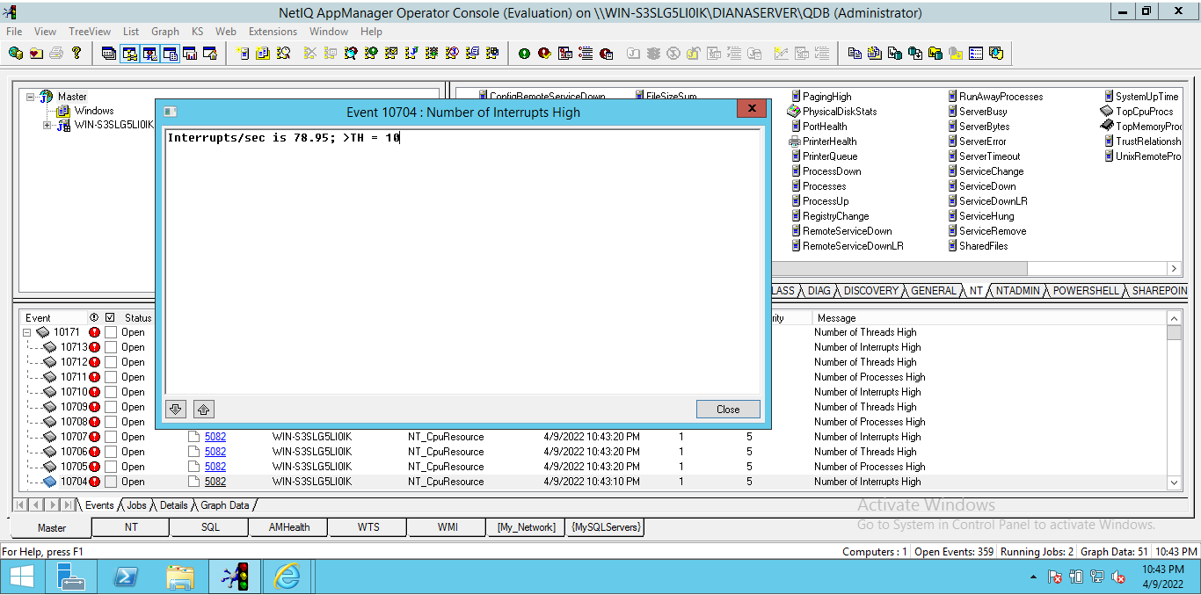
 | Test Case
TITLE: | NT_CpuResource: Maximum Interrupts per second threshold configuration. |  |  | PRIORITY: | High
 |  |  |  | TC ID: | AppManager-16
SUMMARY: | This test case is going to verify if it can be changed the configuration of Maximum Interrupts per second threshold from the configuration within the values tab.
PRECONDITIONS: | Computer with operating system: -Windows Server 2012 R2 Install: - SQL Server 2012 - Application manager version 8.0
STEPS: | STEPS ACTIONS | EXPECTED RESULTS | ACTUAL RESULTS | EXECUTION
 | 1. Open NetIQ AppManager Operator Console. 2. On KS menu select NT tab. 3. Drag and drop the NT_CpuResource to the Server. 4. On values tab, change the value of Maximum Interrupts per second threshold Field to 10. 5. Press OK button. | Changes saved, the new limit is 10 | Changes saved, the new limit is 10 | Manual
ESTIMATED EXE. (MIN): | 5 |  | EXECUTION TIME (MIN): | 5
NOTES/DESCRIPTION: | Changes saved, the new limit is 10
STATUS: | Passed
ATTACHMENT: | →→→→→→→→→→→→→→→→→→→→→→→→→→→→→→→→→→→→→→→→→→→→→→→→→→→→→→→→→→→
QA NAME: | Andres Vargas


 | Test Case
TITLE: | NT_CpuResource: Type of data allowed in Maximum Interrupts per second threshold configuration field. |  |  | PRIORITY: | Medium
 |  |  |  | TC ID: | AppManager-17
SUMMARY: | This test case will verify if the configuration field to Maximum Interrupts per second threshold allows only data of type integer and not of another type.
PRECONDITIONS: | Computer with operating system: -Windows Server 2012 R2 Install: - SQL Server 2012 - Application manager version 8.0
STEPS: | STEPS ACTIONS | EXPECTED RESULTS | ACTUAL RESULTS | EXECUTION
 | 1. Open NetIQ AppManager Operator Console. 2. On KS menu select NT tab. 3. Drag and drop the NT_CpuResource to the Server. 4. On values tab, insert "hola" on Maximum Interrupts per second threshold Field. 5. Press OK button. | A warning message appears | A warning message appears | Manual
ESTIMATED EXE. (MIN): | 5 |  | EXECUTION TIME (MIN): | 5
NOTES/DESCRIPTION: | A warning message appears
STATUS: | Passed
ATTACHMENT: | →→→→→→→→→→→→→→→→→→→→→→→→→→→→→→→→→→→→→→→→→→→→→→→→→→→→→→→→→→→
QA NAME: | Andres Vargas

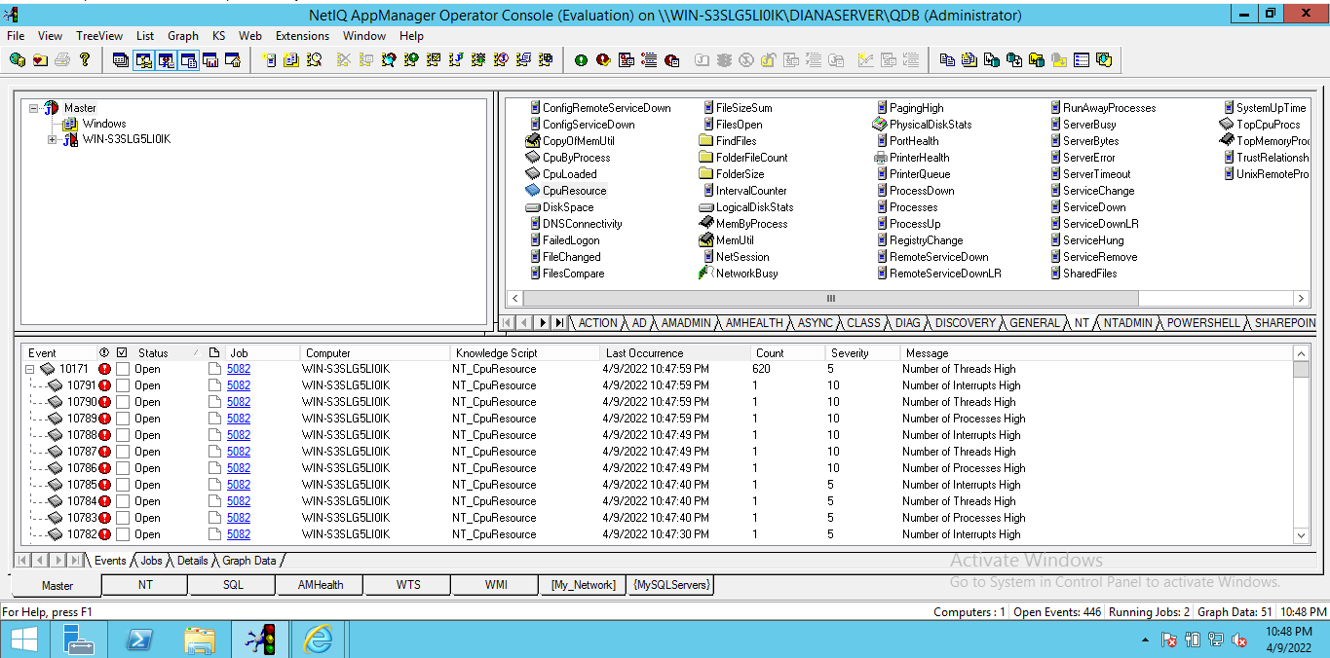
 | Test Case
TITLE: | NT_CpuResource: Event severity level configuration. |  |  | PRIORITY: | High
 |  |  |  | TC ID: | AppManager-18
SUMMARY: | This test case is going to verify if it can be changed the configuration of Event severity level from the configuration within the values tab.
PRECONDITIONS: | Computer with operating system: -Windows Server 2012 R2 Install: - SQL Server 2012 - Application manager version 8.0
STEPS: | STEPS ACTIONS | EXPECTED RESULTS | ACTUAL RESULTS | EXECUTION
 | 1. Open NetIQ AppManager Operator Console. 2. On KS menu select NT tab. 3. Drag and drop the NT_CpuResource to the Server. 4. On values tab, change the value of Event severity level Field to 10. 5. Press OK button. | Changes saved, the new limit is 10 | Changes saved, the new limit is 10 | Manual
ESTIMATED EXE. (MIN): | 5 |  | EXECUTION TIME (MIN): | 5
NOTES/DESCRIPTION: | Changes saved, the new limit is 10
STATUS: | Passed
ATTACHMENT: | →→→→→→→→→→→→→→→→→→→→→→→→→→→→→→→→→→→→→→→→→→→→→→→→→→→→→→→→→→→
QA NAME: | Andres Vargas

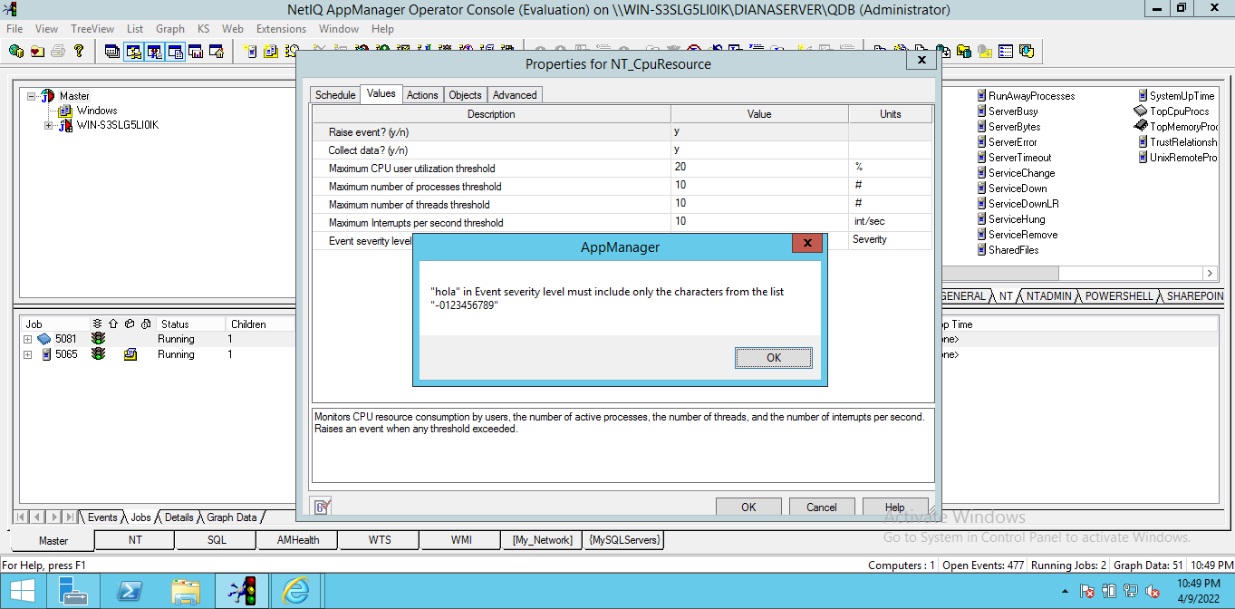
 | Test Case
TITLE: | NT_CpuResource: Type of data allowed in Event severity level configuration field. |  |  | PRIORITY: | Medium
 |  |  |  | TC ID: | AppManager-19
SUMMARY: | This test case will verify if the configuration field to Event severity level allows only data of type integer and not of another type.
PRECONDITIONS: | Computer with operating system: -Windows Server 2012 R2 Install: - SQL Server 2012 - Application manager version 8.0
STEPS: | STEPS ACTIONS | EXPECTED RESULTS | ACTUAL RESULTS | EXECUTION
 | 1. Open NetIQ AppManager Operator Console. 2. On KS menu select NT tab. 3. Drag and drop the NT_CpuResource to the Server. 4. On values tab, insert "hola" on Event severity level Field. 5. Press OK button. | A warning message appears | A warning message appears | Manual
ESTIMATED EXE. (MIN): | 5 |  | EXECUTION TIME (MIN): | 5
NOTES/DESCRIPTION: | A warning message appears
STATUS: | Passed
ATTACHMENT: | →→→→→→→→→→→→→→→→→→→→→→→→→→→→→→→→→→→→→→→→→→→→→→→→→→→→→→→→→→→
QA NAME: | Andres Vargas

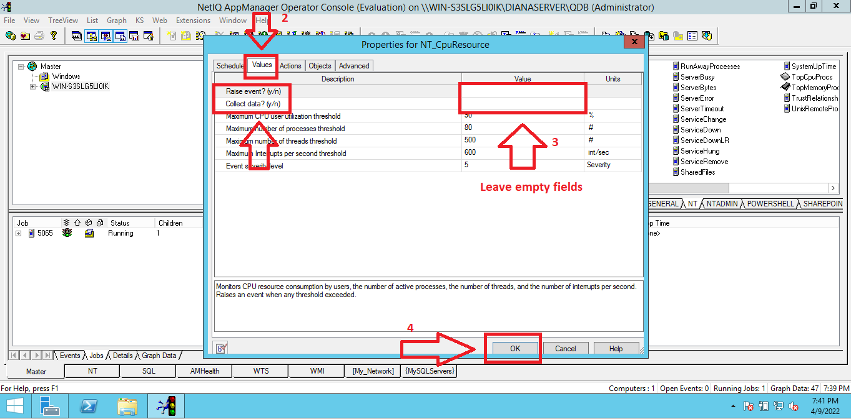
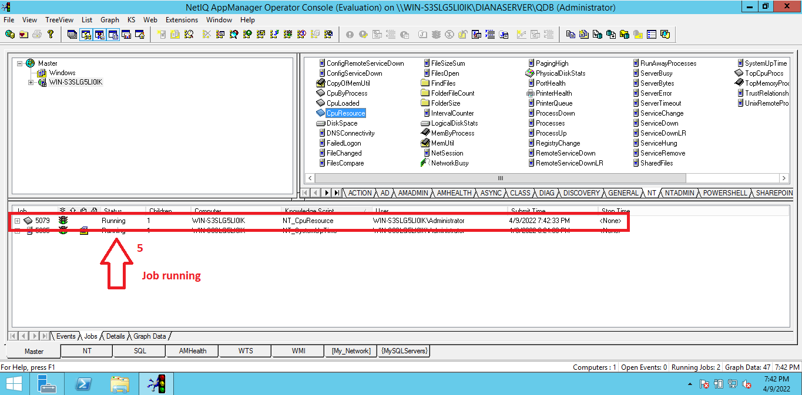
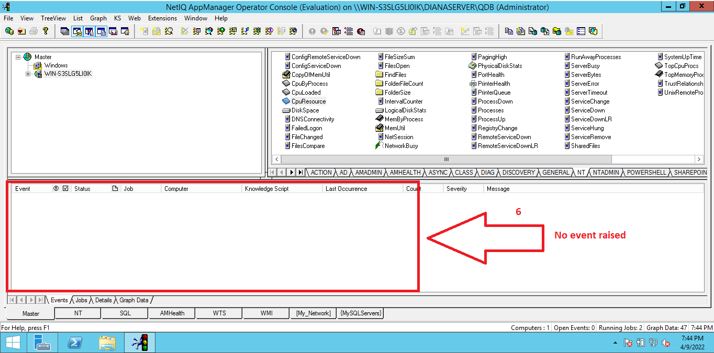
 | Test Case
TITLE: | NT_CpuResource: The value field of Raise event? Cannot be empty. |  |  | PRIORITY: | Medium
 |  |  |  | TC ID: | AppManager-20
SUMMARY: | This test case is going to verify if the configuration value of raising the event generates a warning message if it is empty.
PRECONDITIONS: | Computer with operating system: -Windows Server 2012 R2 Install: - SQL Server 2012 - Application manager version 8.0
STEPS: | STEPS ACTIONS | EXPECTED RESULTS | ACTUAL RESULTS | EXECUTION
 | 1. Open NetIQ AppManager Operator Console. 2. On KS menu select NT tab. 3. Drag and drop the NT_CpuResource to the Server. 4. On values tab, leave empty on raise event? Field. 5. Press OK button. | A warning message appears | The configuration is accepted, the job status changes to running but no events are raised | Manual
ESTIMATED EXE. (MIN): | 5 |  | EXECUTION TIME (MIN): | 5
NOTES/DESCRIPTION: | The configuration is accepted, the job status changes to running but no events are raised
STATUS: | Failed
ATTACHMENT: | →→→→→→→→→→→→→→→→→→→→→→→→→→→→→→→→→→→→→→→→→→→→→→→→→→→→→→→→→→→
QA NAME: | Andres Vargas

 | Test Case
TITLE: | NT_CpuResource: The value field of Collect data? Cannot be empty. |  |  | PRIORITY: | Medium
 |  |  |  | TC ID: | AppManager-21
SUMMARY: | This test case is going to verify if the configuration value of collect data generates a warning message if it is empty.
PRECONDITIONS: | Computer with operating system: -Windows Server 2012 R2 Install: - SQL Server 2012 - Application manager version 8.0
STEPS: | STEPS ACTIONS | EXPECTED RESULTS | ACTUAL RESULTS | EXECUTION
 | 1. Open NetIQ AppManager Operator Console. 2. On KS menu select NT tab. 3. Drag and drop the NT_CpuResource to the Server. 4. On values tab, leave empty on Collect data? Field. 5. Press OK button. | A warning message appears | The configuration is accepted, the job status changes to running but no collect data. | Manual
ESTIMATED EXE. (MIN): | 5 |  | EXECUTION TIME (MIN): | 5
NOTES/DESCRIPTION: | The configuration is accepted, the job status changes to running but no collect data.
STATUS: | Failed
ATTACHMENT: | →→→→→→→→→→→→→→→→→→→→→→→→→→→→→→→→→→→→→→→→→→→→→→→→→→→→→→→→→→→
QA NAME: | Andres Vargas

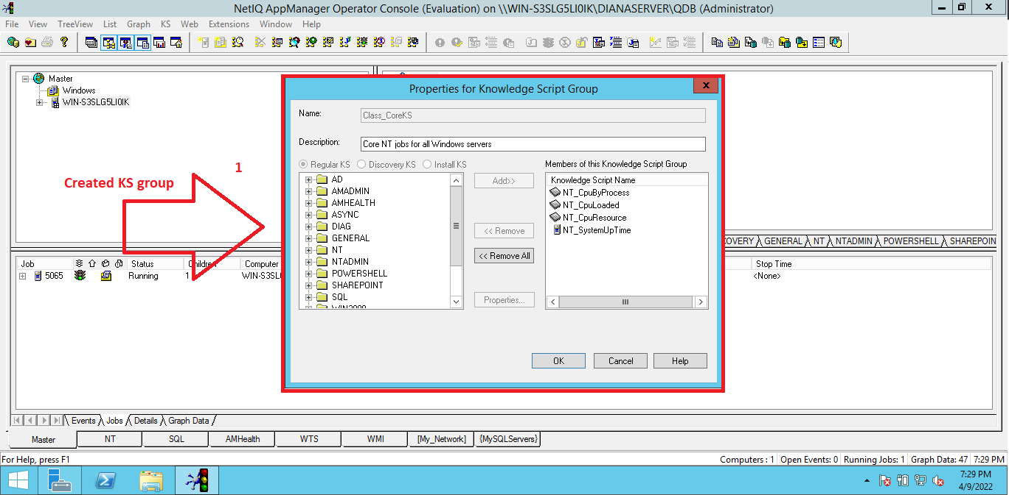
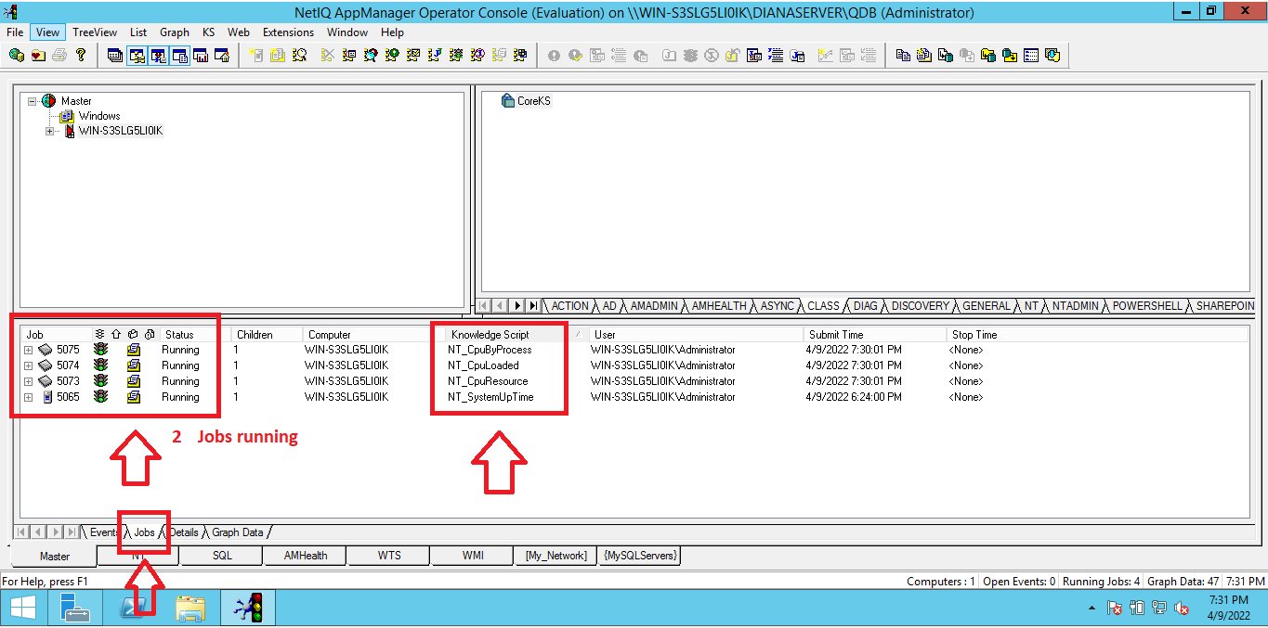
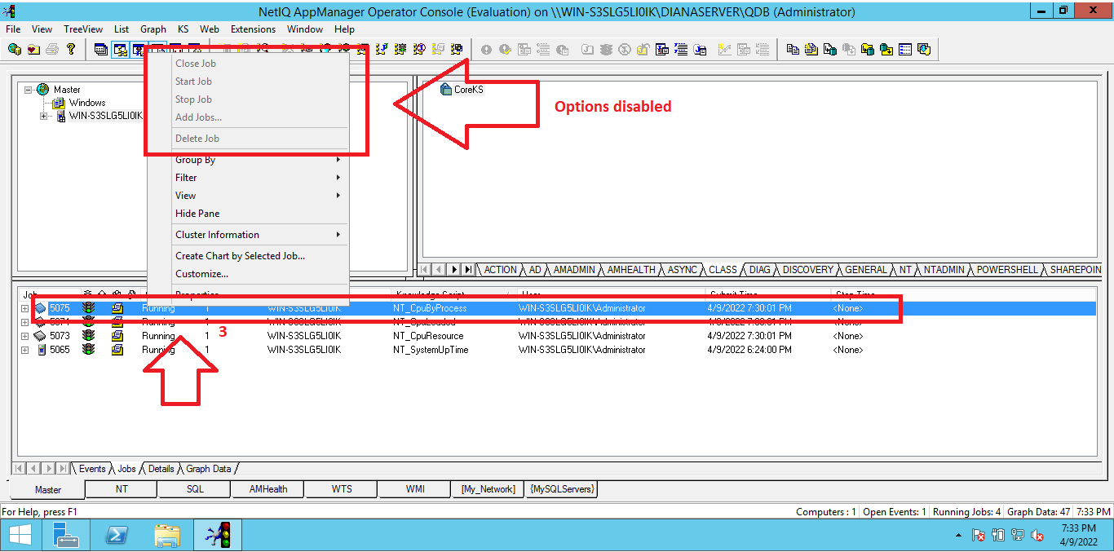
 | Test Case
TITLE: | AppManager>Knowledge Script Group>Stop running jobs |  |  | PRIORITY: | High
 |  |  |  | TC ID: | AppManager-22
SUMMARY: | This test case will verify if jobs can be stopped in running state that belong to a knowledge script group.
PRECONDITIONS: | Computer with operating system: -Windows Server 2012 R2 Install: -SQL Server 2012 -Appmanager version 8.0 Previous configurations: 1. Open Operator Console. 2. Create a Knowledge script group and configure it. For this step you can consult the guide: AMEssLabManual_7.04-1_2008-10-27.pdf (page 47, Lab. 5, exercise 1, task 1)
STEPS: | STEPS ACTIONS | EXPECTED RESULTS | ACTUAL RESULTS | EXECUTION
 | 1.Drag and drop the KS of the created group to the Server. 2.Wait a few seconds for the jobs to start so that they start working and the events are executed. 3.Right click on any job belonging to the knowledge script group. 4.Select the option "Stop job". | The job stops. | When the jobs of the Knowledge group are running and the user wants to stop them, right clicking on the jobs shows the stop options disabled, and they cannot be stopped and cannot be deleted later. | Manual
ESTIMATED EXE. (MIN): | 10 |  | EXECUTION TIME (MIN): | 10
NOTES/DESCRIPTION: | When the jobs of the Knowledge group are running and the user wants to stop them, right clicking on the jobs shows the stop options disabled, and they cannot be stopped and cannot be deleted later.
STATUS: | Failed
ATTACHMENT: | →→→→→→→→→→→→→→→→→→→→→→→→→→→→→→→→→→→→→→→→→→→→→→→→→→→→→→→→→→→
QA NAME: | Andres Vargas

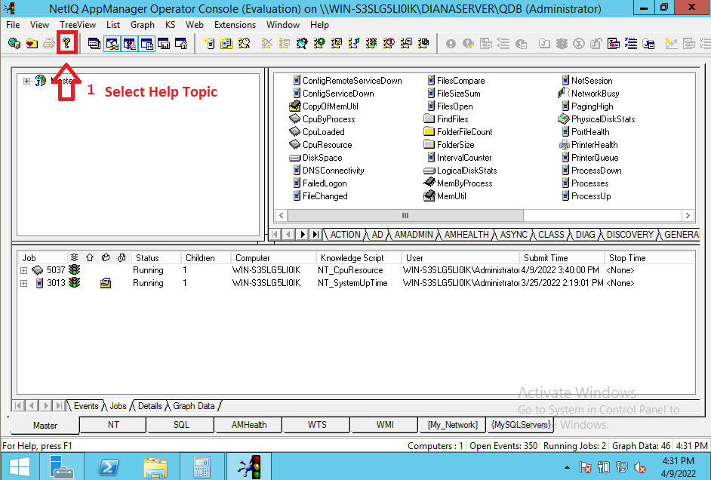
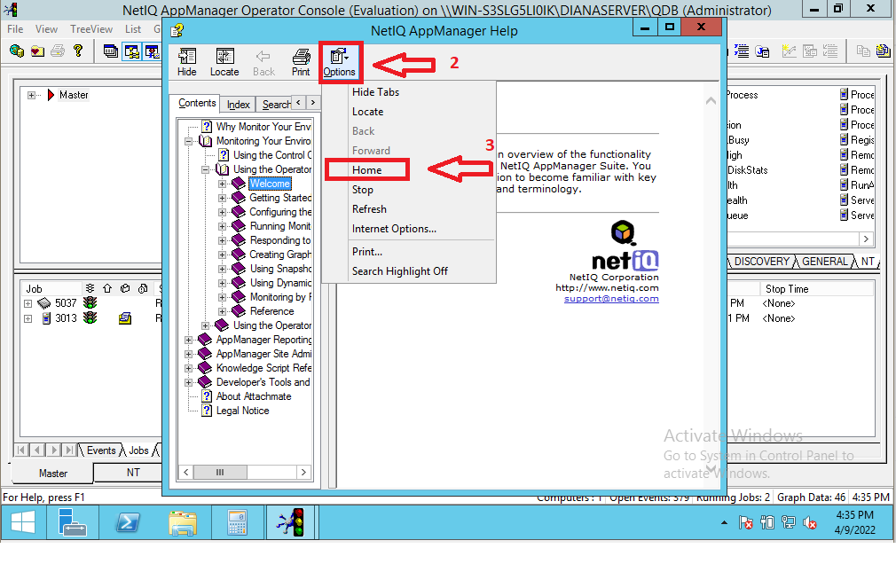
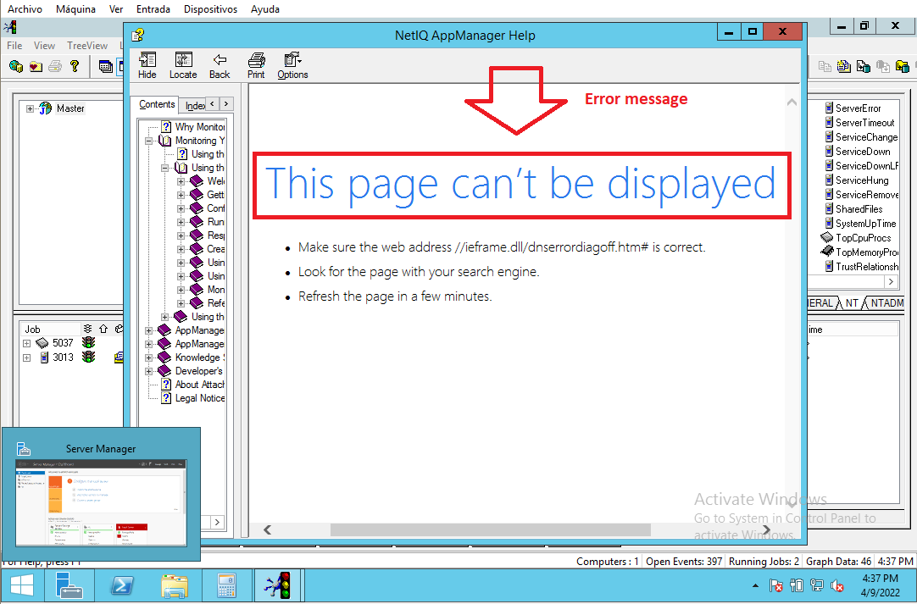
 | Test Case
TITLE: | AppManager>Help>Home page of NetIQ AppManager displayed |  |  | PRIORITY: | Medium
 |  |  |  | TC ID: | AppManager-23
SUMMARY: | This test case will verify if the Home page of NetIQ AppManager is displayed
PRECONDITIONS: | Computer with operating system: -Windows Server 2012 R2 Install: - SQL Server 2012 - Application manager version 8.0
STEPS: | STEPS ACTIONS | EXPECTED RESULTS | ACTUAL RESULTS | EXECUTION
 | 1. Open Operator Console. 2. Press the Help Topics button located on the main menu and will be open the NETIQ AppManager Help. 3. Press the Option button located on the superior menu of the window. 4. A submenu of options is displayed and select the Home option. | Home page of NetIQ AppManager is displayed | When selecting the Home option, the window does not load showing an error message indicating: “This page can't be displayed”. | Manual
ESTIMATED EXE. (MIN): | 5 |  | EXECUTION TIME (MIN): | 5
NOTES/DESCRIPTION: | When selecting the Home option, the window does not load showing an error message indicating: “This page can't be displayed”.
STATUS: | Failed
ATTACHMENT: | →→→→→→→→→→→→→→→→→→→→→→→→→→→→→→→→→→→→→→→→→→→→→→→→→→→→→→→→→→→
QA NAME: | Andres Vargas

